BPF2018RegistrationForm
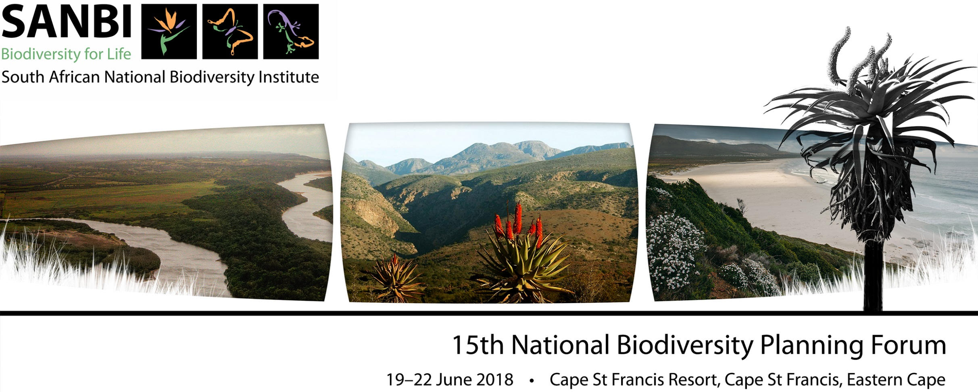
REGISTRATION FORM BASIC INFORMATION
TITLE (Ms/Mrs/Mr/Dr/Prof): |  | FIRST NAME: |  |  |  | SURNAME:
ORGANISATION: |  |  |  |  |  | NAME FOR TAG:
ADDRESS FOR INVOICE:

OFFICE LANDLINE: |  |  |  |  |  | CELLPHONE:
EMAIL ADDRESS:
DIETARY REQUIREMENTS: | None |  | Halaal/Kosher/Hindu |  |  | Vegetarian |  | Gluten Free |  | Diabetic
DELEGATE TYPE: | Delegate only |  |  | Platform Presenter |  |  | Poster Presenter |  |  | Media
DAYS ATTENDING | Tuesday |  |  | Wednesday |  |  | Thursday |  |  | Friday
PRESENTERS: Permission given for your presentation to be pdf-ed & placed on the SANBI website following the Forum? |  |  |  |  |  |  |  |  |  |  | YES
PRESENTATION INFORMATION
PROPOSED TITLES OF PRESENTATION |  |  |  |  |  | PREFERRED THEME/SESSION |  |  |  | PLATFORM | POSTER
1
2
Participants are invited to submit 200-word abstracts of papers on a relevant key theme by no later than 23 April 2018. The abstracts should be in Calibri 11 font and 1,5 spacing, and should be accompanied by the following: full names and title of presenter and co-authors, and contact details (including landline and cell numbers, an email address and a postal address) of the presenter. If accepeted, the length of the presentation will be confirmed with you. Please note that due to limited time not all proposed presentations will be selected. Submissions should be emailed to bpf@sanbi.org.za The Forum organising committee will confirm acceptance/rejection of papers by 14 May 2018. There will also be an opportunity to exhibit posters and other biodiversity planning products. Please bring any maps, posters etc. with you for display and discussion purposes during this session. Please submit your poster abstract by 23 April 2018 to bpf@sanbi.org.za to ensure it is included in the programme.
REGISTRATION DETAILS AND COSTS (SANBI is not VAT registered)
DESCRIPTION |  |  |  |  |  |  | ON OR BEFORE 18 MAY 2018 |  | AFTER 18 MAY 2018 & BEFORE 28 MAY 2018 |  | TOTAL
Full Delegate (single, dinner, bed & breakfast for three nights with own bathroom) |  |  |  |  |  |  | R 5,100.00 |  | R 5,610.00
Full Delegate (sharing, dinner, bed & breakfast for three nights) |  |  |  |  |  |  | R 4,500.00 |  | R 4,950.00
Day delegate for entire Forum (no accommodation or breakfast) |  |  |  |  |  |  | R 2,800.00 |  | R 3,080.00
Day delegate for entire Forum (no accommodation, breakfast or dinner) |  |  |  |  |  |  | R 2,050.00 |  | R 2,255.00
Day delegate (single day, no accommodation, breakfast or dinner) |  |  | TUES | WED | THURS | FRI | R 1,200.00 |  | R 1,320.00
Day delegate (single day, with single accommodation, dinner and breakfast) |  |  | TUES | WED | THURS | FRI | R 2,250.00 |  | R 2,475.00
Accompanying adult (sharing, dinner, bed & breakfast for three nights) |  |  |  |  |  |  | R 2,480.00 |  | R 2,480.00
Accompanying child under 12 (sharing, dinner, bed & breakfast for three nights) |  |  |  |  |  |  | R 1,240.00 |  | R 1,240.00
TOTAL COST |  |  |  |  |  |  |  |  |  |  | R 0.00
ACCOMMODATION DETAILS
I want to share with a | male | female | Name(s) of person(s) preferred to share with
LIFT SHARING DETAILS
If you would like to share transport with other BPF 2018 delegates, please complete the following information: |  |  |  |  |  |  |  |  | Driving | Require Lift
If you are driving, please provide point of departure:
NOTE: We will NOT be organising transport but will put delegates with similar travel plans in touch with one another to co-ordinate amongst themselves. By completing this information, you agree to giving your contact details to other BPF 2018 delegates.
PAYMENT INFORMATION
Payments should be made using the reference TDBI/BPFP/"delegate surname" and proof of payment sent to bpf@sanbi.org.za
ACCOUNT NAME | South African National Biodiversity Institute |  |  |  | SANBI ADDRESS |  | Private Bag X7, Kirstenbosch, Claremont, Cape Town, 7735, South Africa
BANK NAME | Nedbank Limited |  |  |  | BANK ADDRESS |  | Cavendish Square, Claremont, Cape Town, 7700, South Africa
BRANCH NAME | Cavendish Square |  |  |  | BRANCH CODE |  | 198-765 |  | SWIFT CODE |  | NEDSZAJJ
ACCOUNT NUMBER | 1046-361-635 |  |  |  | REFERENCE |  | TDBI/BPFP/ |  | 0
TERMS AND CONDITIONS
Participants will be required to cover their own Forum costs as detailed above. This fee includes accommodation, dinner and breakfast for three nights, registration and conference fees, including lunch, unless specified otherwise above. Participants will be expected to pay for additional drinks at the Forum and a cash bar will be available. Participants do receive one soft drink each with their lunch and dinner. Due to space limitations, we request that, if possible, participants share rooms. Delegates will be allocated accommodation on receipt of payment or an official order on a first come first accommodated basis. Please note that your preferred accommodation option may not be available. Participants will have to cover the costs of and arrange their own transport to and from the venue. To take advantage of the early bird registration fee discount, payments must be received before 18 May 2018. Participants will received revised invoices for payment after 18 May 2018 and will be liable for the difference. Payments received after 28 May 2018 (payment deadline) will attract a 5% surcharge, unless an official order is received. Participants will receive surcharge invoices after 28 May 2018 and will be liable for these payments. All cancellations must be done in writing and sent to bpf@sanbi.org.za by 28 May 2018. Any registered participant failing to cancel by the 28 May 2018 will be liable to pay the FULL AMOUNT as indicated on their registration form. If space allows and participants register after 28 May 2018 then they will be liable to pay the FULL AMOUNT as indicated on their registration form.
Terms and conditions have been read, understood and acknowledged by: |  |  |  |  |  |  |  | 0

